Sheet1
0.1 | 2.877 | 0.1 | 1175.3 | 4.1 | 4.297 | Control (0)
0.1 |  | 0.1 | 1175.3 | 4.1 | 3.234 | plot | mean biomass | mean NH4+
0.1 |  | 0.1 | 1175.3 | 4.1 | 3.595 | 0.1 | 1175.3 | 2.877
0.2 | 1.242 | 0.1 | 1175.3 | 4.1 | 4.488 | 0.2 | 533.0 | 1.888
0.2 | 4.217 | 0.2 | 533.0 | 4.1 | 2.08 | 0.3 | 1332.4 | 4.877
0.2 | 0.205 | 0.2 | 533.0 | 4.2 |  | 0.4 | 1201.0 | 3.625
0.3 | 4.959 | 0.3 | 1332.4 | 4.2 | 11.275 | 0.5 | 937.2 | 3.571
0.3 | 4.794 | 0.3 | 1332.4 | 4.2 | 6.008
0.4 | 3.695 | 0.4 | 1201.0 | 4.3 | 7.944 | Short-term (1)
0.4 | 3.555 | 0.4 | 1201.0 | 4.3 | 3.961 | plot | mean biomass | mean NH4+
0.4 |  |  |  | 4.3 | 19.272 | 1.1 | 937.2 | 4.800
0.5 | 3.168 | 0.5 | 937.2 | 4.3 | 18.625 | 1.2 | 699.7 | 6.419
0.5 | 9.299 | 0.5 | 937.2 | 4.3 | 6.7 | 1.3 | 713.3 | 6.123
0.5 | 4.066 | 0.5 | 937.2 | 4.4 |  | 1.4 | 903.7 | 9.008
0.5 | 1.924 | 0.5 | 937.2 | 4.4 |  | 1.5 | 1032.8 | 6.106
0.5 | 3.971 | 0.5 | 937.2 | 4.4 | 14.511
0.5 | 2.356 | 0.5 | 937.2 | 4.4 |  | Lont-term (2)
0.5 | 0.216 | 0.5 | 937.2 | 4.5 | 8.511 | plot | mean biomass | mean NH4+
1.1 | 2.07 | 1.1 | 699.7 | 4.5 | 6.013 | 2.1 | 524.2 | 9.326
1.1 | 7.789 | 1.1 | 699.7 |  |  | 2.2 | 799.5 | 6.173
1.1 | 4.177 | 1.1 | 699.7 |  |  | 2.3 | 518.2 | 11.216
1.1 | 5.165 | 1.1 | 699.7 |  |  | 2.4 | 772.1 | 8.340
1.2 | 3.384 | 1.2 | 713.3 |  |  | 2.5 | 543.5 | 10.939
1.2 | 7.924 | 1.2 | 713.3
1.2 | 2.767 | 1.2 | 713.3 |  |  | Recovery (3)
1.2 | 14.852 | 1.2 | 713.3 |  |  | plot | mean biomass | mean NH4+
1.2 | 3.168 | 1.2 | 713.3 |  |  | 3.1 | 226.5 | 2.349
1.3 | 5.275 | 1.3 | 903.7 |  |  | 3.2 | 145.6 | 2.394
1.3 | 5.802 | 1.3 | 903.7 |  |  | 3.3 | 321.7 | 9.432
1.3 | 6.489 | 1.3 | 903.7 |  |  | 3.4 | 66.4 | 13.967
1.3 | 6.926 | 1.3 | 903.7 |  |  | 3.5 | 445.5 | 8.568
1.4 | 5.722 | 1.4 | 1032.8
1.4 | 5.341 | 1.4 | 1032.8 |  |  | Excessive (4)
1.4 | 15.961 | 1.4 | 1032.8 |  |  | plot | mean biomass | mean NH4+
1.5 | 5.01 | 1.5 | 524.2 |  |  | 4.1 | 486.9 | 3.539
1.5 | 8.426 | 1.5 | 524.2 |  |  | 4.2 | 206.8 | 8.642
1.5 | 4.051 | 1.5 | 524.2 |  |  | 4.3 | 129.6 | 11.300
1.5 | 6.936 | 1.5 | 524.2 |  |  | 4.4 | 52.5 | 14.511
2.1 | 9.565 | 2.1 | 799.5 |  |  | 4.5 | 224.7 | 7.262
2.1 | 10.628 | 2.1 | 799.5
2.1 | 4.112 | 2.1 | 799.5
2.1 | 9.911 | 2.1 | 799.5
2.1 | 12.554 | 2.1 | 799.5
2.1 | 9.188 | 2.1 | 799.5
2.2 | 6.434 | 2.2 | 518.2
2.2 | 12.961 | 2.2 | 518.2
2.2 | 4.071 | 2.2 | 518.2
2.2 | 1.224 | 2.2 | 518.2
2.3 | 9.033 | 2.3 | 772.1
2.3 | 13.994 | 2.3 | 772.1
2.3 | 9.053 | 2.3 | 772.1
2.3 | 12.881 | 2.3 | 772.1
2.3 | 11.12 | 2.3 | 772.1
2.4 | 10.728 | 2.4 | 543.5
2.4 | 10.668 | 2.4 | 543.5
2.4 | 4.262 | 2.4 | 543.5
2.4 | 7.703 | 2.4 | 543.5
2.5 | 11.22 | 2.5 | 226.5
2.5 | 6.449 | 2.5 | 226.5
2.5 | 15.148 | 2.5 | 226.5
3.1 | 7.312 | 3.1 | 145.6
3.1 | 1.729 | 3.1 | 145.6
3.1 | 0.041 | 3.1 | 145.6
3.1 | 0.314 | 3.1 | 145.6
3.2 | 0.269 | 3.2 | 321.7
3.2 | 4.332 | 3.2 | 321.7
3.2 | 1.433 | 3.2 | 321.7
3.2 | 2.687 | 3.2 | 321.7
3.2 | 3.249 | 3.2 | 321.7
3.3 | 8.341 | 3.3 | 66.4
3.3 | 5.918 | 3.3 | 66.4
3.3 | 22.146 | 3.3 | 66.4
3.3 | 1.322 | 3.3 | 66.4
3.4 | 9.71 | 3.4 | 445.5
3.4 | 10.076 | 3.4 | 445.5
3.4 | 22.116 | 3.4 | 445.5
3.5 | 2.903 | 3.5 | 288.8
3.5 | 11.496 | 3.5 | 288.8
3.5 | 11.305 | 3.5 | 288.8
4.1 | 4.297 | 4.1 | 486.9
4.1 | 3.234 | 4.1 | 486.9
4.1 | 3.595 | 4.1 | 486.9
4.1 | 4.488 | 4.1 | 486.9
4.1 | 2.08 | 4.1 | 486.9
4.2 | 5.923 | 4.2 | 206.8
4.2 | 11.275 | 4.2 | 206.8
4.2 | 6.008 | 4.2 | 206.8
4.3 | 7.944 | 4.3 | 129.6
4.3 | 3.961 | 4.3 | 129.6
4.3 | 19.272 | 4.3 | 129.6
4.3 | 18.625 | 4.3 | 129.6
4.3 | 6.7 | 4.3 | 129.6
4.4 | 18.815 | 4.4 | 52.5
4.4 | 39.112 | 4.4 | 52.5
4.4 | 14.511 | 4.4 | 52.5
4.4 | 23.814 | 4.4 | 52.5
4.5 | 8.511 | 4.5 | 224.7
4.5 | 6.013 | 4.5 | 224.7

Control residuals
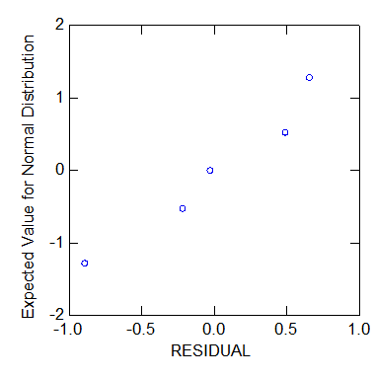
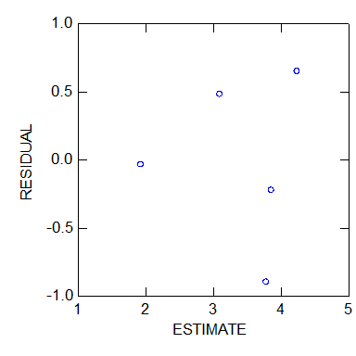

Shapiro-Wilk | 0.9076 | NH4
 | 0.3628 | biomass

Shapiro-Wilk | 0.7409 | residuals

Excessive residuals
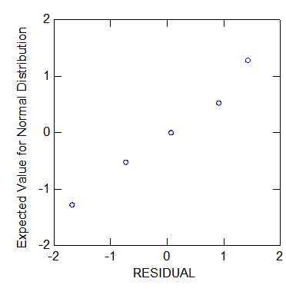
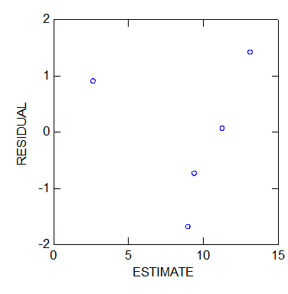

Shapiro-Wilk | 0.9959 | NH4
 | 0.4226 | biomass

Shapiro-Wilk | 0.8917 | residuals

